Description Tab
Bug Sr No# | Step to Reproduce | Test data used | ScreenShots
1 |  |  | 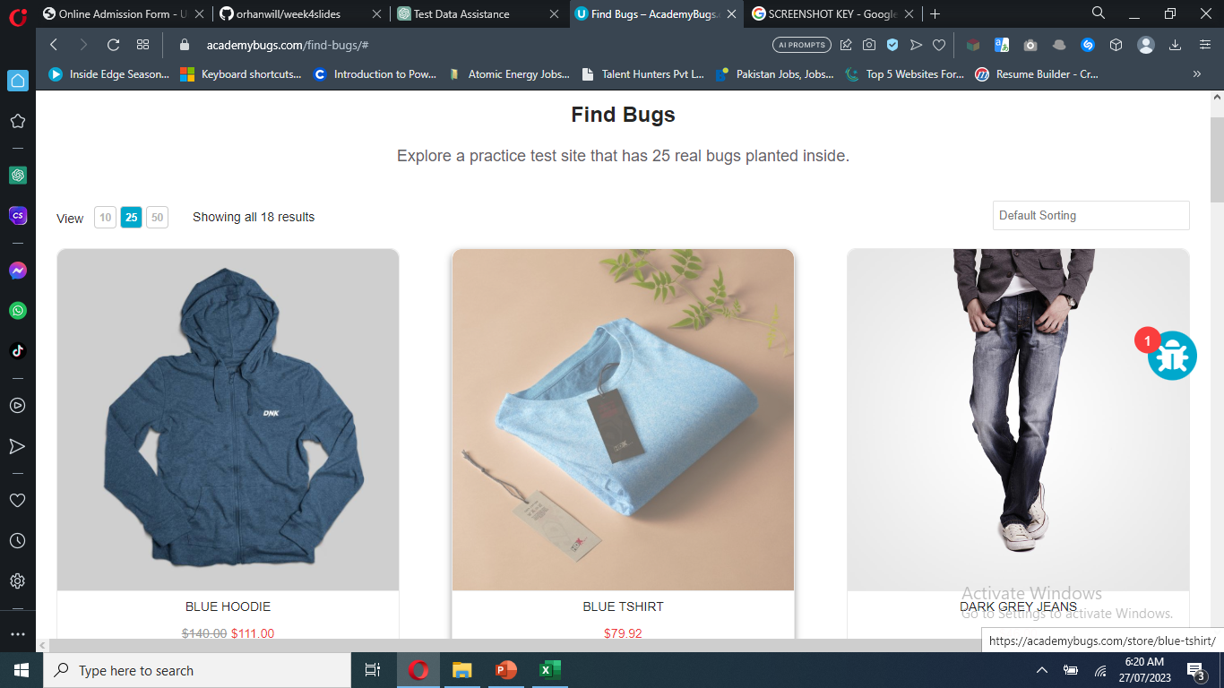
2 | Open https://academybugs.com Open a product Change the currency in the right side menu Fill in the form and click "Send" |  | 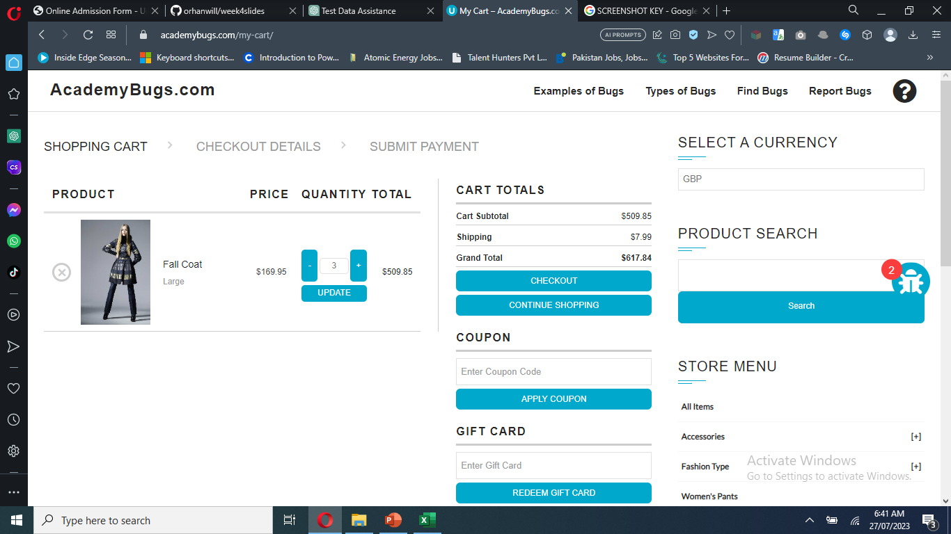
3 | Open https://academybugs.com Click the Find Bugs link on the navigation bar Open a product On the right side menu find the Filter by Price section Select any of the price ranges Also open any item from the right side Store Menu and select the price ranges on the right side menu | 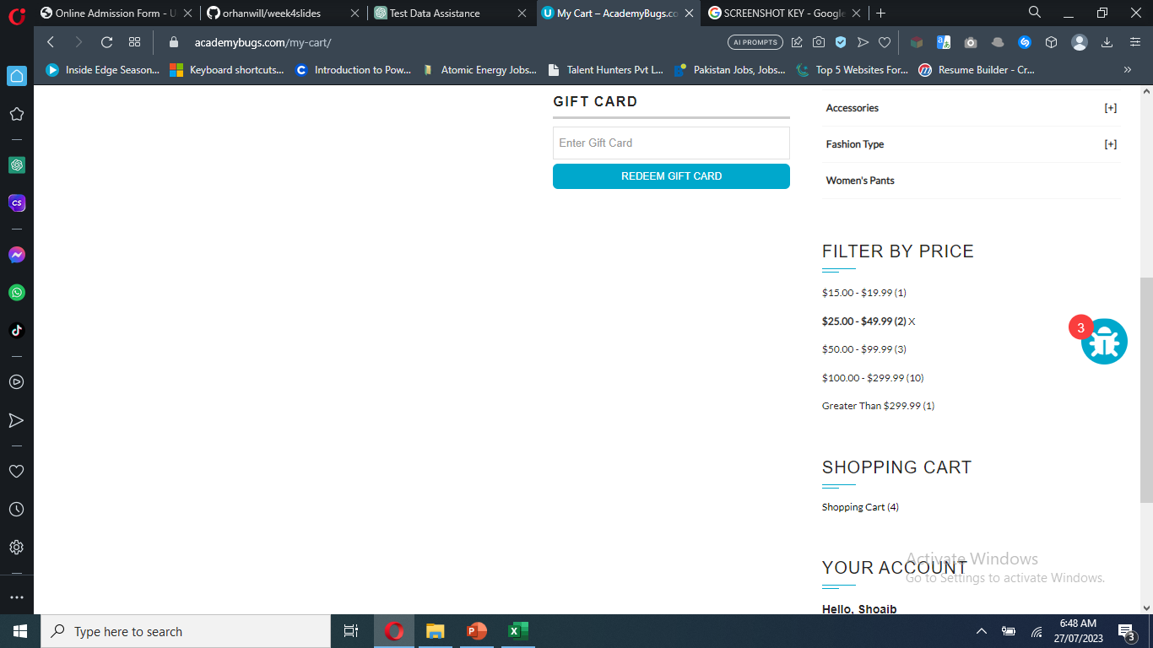
4 | Open https://academybugs.com Click the Find Bugs link on the navigation bar Open a product and then see the description | 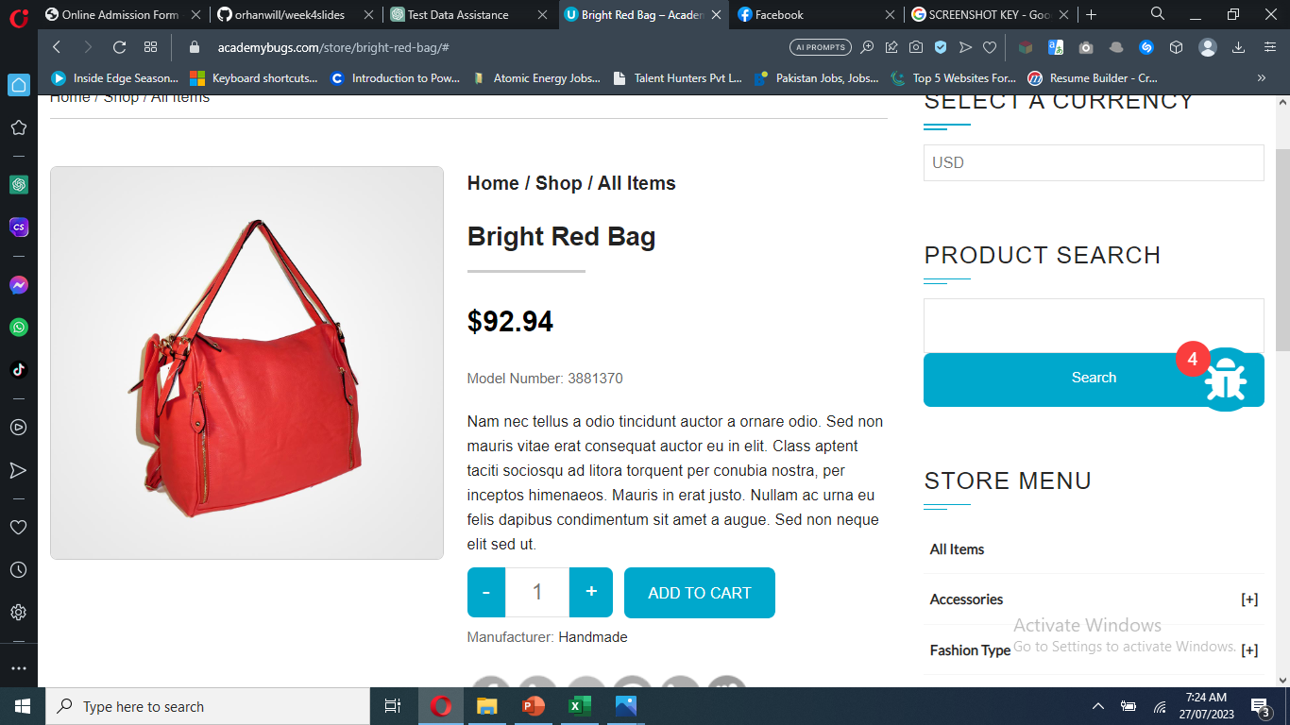
5
6
7
8
9
10
11
12
13
14
15
16
17
18
19
20
21
22
23
24
25

